HITRA-Hazard ID
Hazard identification and task Risk assessment (HITRA)

The purpose of this form is to allow for the systematic assessment of the HSSE risks involved in a task or job. This form is part of the permit to work system and is the basis of a work clearance. |  |  |  |  |  |  |  |  |  |  |  |  |  |  | Date: |  | HITRA #
 |  |  |  |  |  |  |  |  |  |  |  |  |  |  | PTW #

Work Location |  |  |  |  |  |  |  |  |  |  |  |  |  |  |  | HITRA Leader
Work Title |  |  |  |  |  |  |  |  |  | Work Supervisor |  |  |  |  |  | HITRA Approver
Contractor |  |  |  |  |  |  |  |  |  |  |  |  |  |  |  | Permit Issuer
Work Description

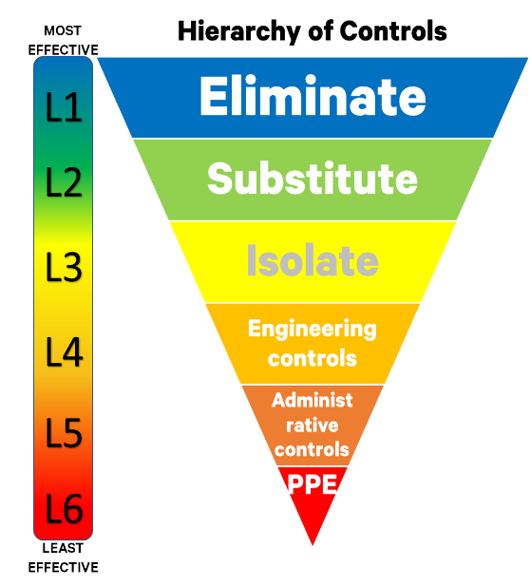
Hazard Identification |  |  |  | Controls

Biological | Chemical | Electrical | Environment |  | People |  | Equipment |  |  |  | Environmental |  | Permits/certificates
 |  |  |  |  |  | Safety watch person |  | Isolation required |  |  |  | Ventilation |  | Work permit
 |  |  |  |  |  | Barriers |  | Secure objects from height |  |  |  | Lighting |  | WAH certificate
Ergonomics | Fuel | Hazardous atmosphere | LPG |  |  | Warning signs |  | Tools box/container |  |  |  | Containment protection |  | LOTO certificate
 |  |  |  |  |  | Scaffolding for access |  | Drop sheets required |  |  |  | Spill kits |  | CSE certificate
 |  |  |  |  |  | Fall protection |  | Tool lanyard required |  |  |  | Drain tray/container |  | HW certificate
Manual handling | Mechanical | Natural disaster | Noise |  |  | Gas monitor |  | Underground survey |  |  |  |  |  | Excavation certificate
 |  |  |  |  |  | Ladder/EWP |  |  |  |  |  |  |  | Electrical certificate
 |  |  |  |  |  |  |  |  |  |  |  |  |  | Lifting certificate
Object at height | People at height | Pressurised eqpt | Psychological
 |  |  |  |  | Other documents |  |  |  | Additional notes:
 |  |  |  |  |  | Rescue plan |  |  | Refer Working near, in, or over water Safe work practice where applicable
Restricted space | Sharp objects | Slip hazard | Structural stability |  |  | Traffic management plan
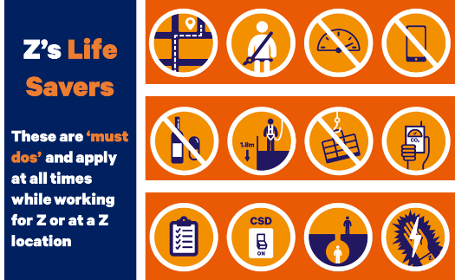
 |  |  |  |  |  | Safety data sheet

Temperature | Tools | Trip hazard | Vehicles
 |  |  |  |  | PPE required

Violence | Water | Other hazards

Operational Risk Matrix
